zom_inventory
sku | item_name | # | unit | quantity_available_for_sale | PICTURE
B07QYBPBCB | - Gator Cadet Men's Size 10 Camel & Black Natural Leather Work Boot | 2 | Box | 114 | 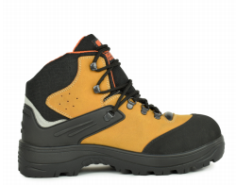
B07QZFWFJ7 | - Gator Cadet Men's Size 10.5 Camel & Black Natural Leather Work Boot | 2 | Box | 199
B07QYCY1DK | - Gator Cadet Men's Size 11 Camel & Black Natural Leather Work Boot | 2 | Box | 44
B07QX9GT3Q | - Gator Cadet Men's Size 12 Camel & Black Natural Leather Work Boot | 2 | Box | 59
B07QY9BRMN | - Gator Cadet Men's Size 6.5 Camel & Black Natural Leather Work Boot | 2 | Box | 67
B07QYCY212 | - Gator Cadet Men's Size 7 Camel & Black Natural Leather Work Boot | 2 | Box | 49
B07QX9J7VS | - Gator Cadet Men's Size 7.5 Camel & Black Natural Leather Work Boot | 2 | Box | 95
B07QWBHLQ5 | - Gator Cadet Men's Size 8.5 Camel & Black Natural Leather Work Boot | 2 | Box | 156
B07QVBBMQF | - Gator Cadet Men's Size 9 Camel & Black Natural Leather Work Boot | 2 | Box | 153
 |  |  |  | 936
B07QWBJ5KX | - Gator Commander Men's Size 10 Camel & Black Natural Leather Work Boot | 3 | Box | 107 | 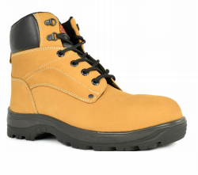
B07QZFHQXR | - Gator Commander Men's Size 10.5 Camel & Black Natural Leather Work Boot | 3 | Box | 91
B07QYBJLTG | - Gator Commander Men's Size 11 Camel & Black Natural Leather Work Boot | 3 | Box | 120
B07QVBDKXN | - Gator Commander Men's Size 12 Camel & Black Natural Leather Work Boot | 3 | Box | 48
B07QZFJFJD | - Gator Commander Men's Size 6.5 Camel & Black Natural Leather Work Boot | 3 | Box | 45
B07QVBDVK1 | - Gator Commander Men's Size 7 Camel & Black Natural Leather Work Boot | 3 | Box | 33
B07R43Q5RF | - Gator Commander Men's Size 7.5 Camel & Black Natural Leather Work Boot | 3 | Box | 54
B07QWBJT56 | - Gator Commander Men's Size 8.5 Camel & Black Natural Leather Work Boot | 3 | Box | 15
B07QX9K49Q | - Gator Commander Men's Size 9 Camel & Black Natural Leather Work Boot | 3 | Box | 79
 |  |  |  | 592
B07QYCVQK3 | - Gator Cadet Men's Size 10 Navy Blue & Black Natural Leather Work Boot | 4 | Box | 136 | 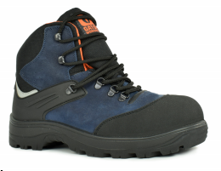
B07QWBHK2N | - Gator Cadet Men's Size 10.5 Navy Blue & Black Natural Leather Work Boot | 4 | Box | 60
B07QYCTLW6 | - Gator Cadet Men's Size 11 Navy Blue & Black Natural Leather Work Boot | 4 | Box | 135
B07QWBHJBR | - Gator Cadet Men's Size 12 Navy Blue & Black Natural Leather Work Boot | 4 | Box | 61
B07QWBGRNL | - Gator Cadet Men's Size 6.5 Navy Blue & Black Natural Leather Work Boot | 4 | Box | 60
B07QZFPDTN | - Gator Cadet Men's Size 7 Navy Blue & Black Natural Leather Work Boot | 4 | Box | 51
B07QX9HB2P | - Gator Cadet Men's Size 7.5 Navy Blue & Black Natural Leather Work Boot | 4 | Box | 153
B07QX9JHN8 | - Gator Cadet Men's Size 8.5 Navy Blue & Black Natural Leather Work Boot | 4 | Box | 82
B07QZDQBMW | - Gator Cadet Men's Size 9 Navy Blue & Black Natural Leather Work Boot | 4 | Box | 52
 |  |  |  | 790
B07QZG68HC | - Gator Commander Men's Size 10 Navy Blue & Black Natural Leather Work Boot | 5 | Box | 133 | 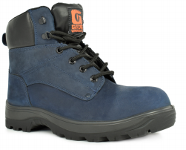
B07QYD1M84 | - Gator Commander Men's Size 10.5 Navy Blue & Black Natural Leather Work Boot | 5 | Box | 136
B07QWBJTRW | - Gator Commander Men's Size 11 Navy Blue & Black Natural Leather Work Boot | 5 | Box | 65
B07QVBCK7D | - Gator Commander Men's Size 12 Navy Blue & Black Natural Leather Work Boot | 5 | Box | 83
B07QY99ZNT | - Gator Commander Men's Size 6.5 Navy Blue & Black Natural Leather Work Boot | 5 | Box | 72
B07QVBDQBG | - Gator Commander Men's Size 7 Navy Blue & Black Natural Leather Work Boot | 5 | Box | 31
B07QWBJPM4 | - Gator Commander Men's Size 7.5 Navy Blue & Black Natural Leather Work Boot | 5 | Box | 164
B07QVBCVCN | - Gator Commander Men's Size 8.5 Navy Blue & Black Natural Leather Work Boot | 5 | Box | 140
DB07QWBKL8D | - Gator Commander Men's Size 9 Navy Blue & Black Natural Leather Work Boot | 5 | Box | 151
 |  |  |  | 975
B07QZD5XGX | - Gator Cadet Men's Size 10 Brown & Black Natural Leather Work Boot | 6 | Box | 107 | 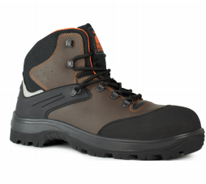
B07QZG9BLX | - Gator Cadet Men's Size 10.5 Brown & Black Natural Leather Work Boot | 6 | Box | 52
B07QZCT8VM | - Gator Cadet Men's Size 11 Brown & Black Natural Leather Work Boot | 6 | Box | 92
B07QYBLZ3J | - Gator Cadet Men's Size 12 Brown & Black Natural Leather Work Boot | 6 | Box | 51
B07QYCM48B | - Gator Cadet Men's Size 6.5 Brown & Black Natural Leather Work Boot | 6 | Box | 52
B07QYCX7JK | - Gator Cadet Men's Size 7 Brown & Black Natural Leather Work Boot | 6 | Box | 44
B07QX9K52G | - Gator Cadet Men's Size 7.5 Brown & Black Natural Leather Work Boot | 6 | Box | 132
B07QYCZ95M | - Gator Cadet Men's Size 8.5 Brown & Black Natural Leather Work Boot | 6 | Box | 126
B07QYC3SN9 | - Gator Cadet Men's Size 9 Brown & Black Natural Leather Work Boot | 6 | Box | 122
 |  |  |  | 778
B07QWBKGQS | - Gator Commander Men's Size 10 Brown & Black Natural Leather Work Boot | 7 | Box | 135 | 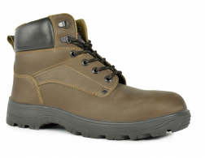
B07QYCZXKW | - Gator Commander Men's Size 10.5 Brown & Black Natural Leather Work Boot | 7 | Box | 166
B07QVBDD3G | - Gator Commander Men's Size 11 Brown & Black Natural Leather Work Boot | 7 | Box | 165
B07QZGFL8Y | - Gator Commander Men's Size 12 Brown & Black Natural Leather Work Boot | 7 | Box | 85
B07QVBDLX8 | - Gator Commander Men's Size 6.5 Brown & Black Natural Leather Work Boot | 7 | Box | 84
B07QY9SDYJ | - Gator Commander Men's Size 7 Brown & Black Natural Leather Work Boot | 7 | Box | 81
B07QVBDMYN | - Gator Commander Men's Size 7.5 Brown & Black Natural Leather Work Boot | 7 | Box | 168
B07QVBCHTB | - Gator Commander Men's Size 8.5 Brown & Black Natural Leather Work Boot | 7 | Box | 170
B07QWBK1QR | - Gator Commander Men's Size 9 Brown & Black Natural Leather Work Boot | 7 | Box | 179
 |  |  |  | 1233
B07RRZ3L5Z | - Gator Rain High Boots w/ Insert Socks Children's Size 1.5/2 Orange | 8 | Bag | 17 | 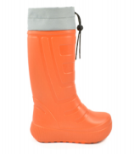
B07RT26Y4Y | - Gator Rain High Boots w/ Insert Socks Children's Size 11.5/ 12 Orange | 8 | Bag | 81
B07RV4M73M | - Gator Rain High Boots w/ Insert Socks Children's Size 13/ 13.5 Orange | 8 | Bag | 65
B07RV69FT1 | - Gator Rain High Boots w/ Insert Socks Children's Size 3.5/4 Orange | 8 | Bag | 18
B07RRZ4MDP | - Gator Rain High Boots w/ Insert Socks Women's Size 10/11 Orange | 8 | Bag | 29
B07RQW2ZBY | - Gator Rain High Boots w/ Insert Socks Women's Size 8/9 Orange | 8 | Bag | 38
 |  |  |  | 248
B07RV5PJL3 | - Gator Rain High Boots w/ Insert Socks Children's Size 1.5/2 Silver | 9 | Bag | 12 | 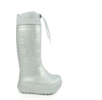
B07RRZ1LQ5 | - Gator Rain High Boots w/ Insert Socks Children's Size 11.5/ 12 Silver | 9 | Bag | 12
B07RV377X2 | - Gator Rain High Boots w/ Insert Socks Children's Size 13/13.5 Silver | 9 | Bag | 12
B07RT1YPM3 | - Gator Rain High Boots w/ Insert Socks Children's Size 2.5/3 Silver | 9 | Bag | 0
B07RQW2FTP | - Gator Rain High Boots w/ Insert Socks Children's Size 3.5/4 Silver | 9 | Bag | 5
B07RRZ4HRP | - Gator Rain High Boots w/ Insert Socks Women's Size 10/11 Silver | 9 | Bag | 18
B07RV38TP2 | - Gator Rain High Boots w/ Insert Socks Women's Size 8/9 Silver | 9 | Bag | 12
 |  |  |  | 71
B07RRYX8J9 | - Gator Rain High Boots w/ Insert Socks Men's Size 10/11 Khaki | 10 | Bag | 28 | 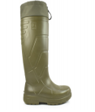
B07S1D1BTB | - Gator Rain High Boots w/ Insert Socks Men's Size 12/13 Khaki | 10 | Bag | 22
B07RX8TN6X | - Gator Rain High Boots w/ Insert Socks Men's Size 14/15 Khaki | 10 | Bag | 6
B07RV6S1L7 | - Gator Rain High Boots w/ Insert Socks Men's Size 8/9 Khaki | 10 | Bag | 9
 |  |  |  | 65
B07RV2R5VZ | - Gator Rain High Boots w/ Insert Socks Children's Size 1.5/2 Blue | 1A | Bag | 60 | 
B07RQW2XLB | - Gator Rain High Boots w/ Insert Socks Children's Size 11.5/ 12 Blue | 1A | Bag | 18
B07RV5JPB3 | - Gator Rain High Boots w/ Insert Socks Children's Size 13/ 13.5 Blue | 1A | Bag | 18
B07RT27HW9 | - Gator Rain High Boots w/ Insert Socks Children's Size 2.5/3 Blue | 1A | Bag | 24
B07RW3N1DV | - Gator Rain High Boots w/ Insert Socks Children's Size 3.5/4 Blue | 1A | Bag | 18
B07RRZ29C3 | - Gator Rain High Boots w/ Insert Socks Women's Size 10/11 Blue | 1A | Bag | 6
B07RT26XDM | - Gator Rain High Boots w/ Insert Socks Women's Size 8/9 Blue | 1A | Bag | 21
 |  |  |  | 165
B07RSXVFVD | - Gator Boot Boy's Beach Sandals 1.5/2 Blue | 1 | Bag | 4 | 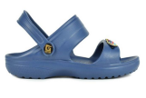
B07RV5KW6X | - Gator Boot Boy's Beach Sandals 11.5/ 12 Blue | 1 | Bag | 0
B07RT1MT78 | - Gator Boot Boy's Beach Sandals 13/ 13.5 Blue | 1 | Bag | 8
B07RT149CN | - Gator Boot Boy's Beach Sandals 2.5/3 Blue | 1 | Bag | 18
B07RV62W1Y | - Gator Boot Boy's Beach Sandals 3.5/4 Blue | 1 | Bag | 6
 |  |  |  | 36
 |  |  |  |  |  | steel toe | kids boots | kids sandals
 |  |  |  |  |  | 936 | 248 | 36
 |  |  |  |  |  | 592 | 65
 |  |  |  |  |  | 790 | 165
 |  |  |  |  |  | 975
 |  |  |  |  |  | 778
 |  |  |  |  |  | 1233 |  |  | total
 |  |  |  |  |  | 5304 | 478 | 36 | 5818

