UPD Price List
Custom report title

Image | Item# | Description | PACK | IN | PRICE | Origin | Qty On Hand | Qty On Order | UPC | UCC | Case Size | Wt | Cube | Tie | Hi | Item Size | Item Wt
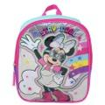 | MPG1Y73DSYIR | Minnie 11" Mini Backpack | 36 | 6 | $2.95 | China | 2,408 |  | 196179457629 | 50196179457624 | 20" x 13" x 8" | 11 | 1.21 | 12 | 7 | 9" x 3.5" x 11" | 5
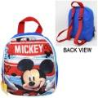 | ROMK | Mickey 11" Mini Backpack | 24 | 12 | $3.95 | China | 1,831 |  | 678634513083 | 50678634513088 | 14" x 11" x 6" | 8 | 0.53 | 21 | 8 | 9" x 3" x 11" | 6
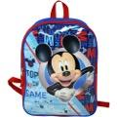 | KMAC | Mickey 15" Backpack with Plain Front | 24 | 6 | $3.95 | China | 1,378 |  | 678634514950 | 50678634514955 | 17" x 13" x 9" | 14 | 1.15 | 8 | 10 | 12" x 5" x 15" | 9
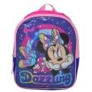 | MPG1Y6UDSYIR | Minnie 11" Mini Backpack | 36 | 6 | $3.95 | China | 6,127 |  | 196179457636 | 50196179457631 | 20" x 13" x 8" | 10 | 1.21 | 12 | 7 | 9" x 3.5" x 11" | 5
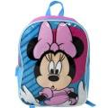 | NIBA | Minnie 15" Backpack with Plain Front | 24 | 6 | $4.95 | China | 2,182 |  | 678634514974 | 50678634514979 | 17" x 13" x 9" | 14 | 1.15 | 8 | 10 | 15" x 5" x 15" | 9
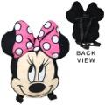 | REMF | Minnie Pink 15" Shaped Flat Pillow Backpack with Hangtag SC/P | 24 | 6 | $5.50 | China | 1,229 |  | 678634516763 | 50678634516768 | 23" x 18" x 15" | 10 | 3.59 | 7 | 5 | 9" x 3" x 14"
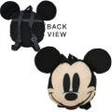 | SIKM | Mickey 14" Shaped Flat Pillow Backpack with Hangtag SC/P | 24 | 6 | $5.50 | China | 1,878 |  | 678634516770 | 50678634516775 | 20" x 17" x 14" | 9 | 2.75 | 7 | 5 | 9" x 3" x 14" | 4.7
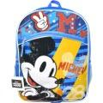 | MKSBA | Mickey 16" Backpack with 1 front pocket | 24 | 6 | $5.95 | China | 3,115 |  | 678634517081 | 50678634517086 | 18" x 14" x 17" | 17 | 2.48 | 8 | 5 | 12" x 5" x 16" | 10
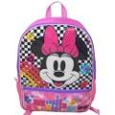 | BPG5DBJDSY | Minnie 16" Backpack with 1 front pocket | 24 | 6 | $5.95 | China | 2,117 |  | 196179800081 | 50196179800086 | 18" x 14" x 16" | 18 | 2.33 | 8 | 6 | 12" x 5" x 16" | 11
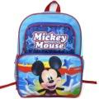 | TIME | Mickey 16" Cargo Backpack | 24 | 6 | $6.50 | China | 2,214 |  | 678634515186 | 50678634515181 | 18" x 14" x 16" | 22 | 2.33 | 8 | 6 | 12" x 5" x 16" | 13.8
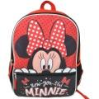 | BPG5DB7DSY | Minnie 16" Backpack with 1 front pocket | 24 | 6 | $6.50 | China | 1,378 |  | 196179800074 | 50196179800079 | 18" x 14" x 16" | 18 | 2.33 | 8 | 6 | 12" x 5" x 16" | 11
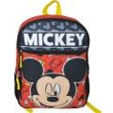 | BPT5DBQDST | Mickey 16" Backpack with 1 front pocket | 24 | 6 | $6.50 | China | 999 |  | 196179800098 | 50196179800093 | 18" x 14" x 16" | 18 | 2.33 | 8 | 6 | 12" x 5" x 16" | 11
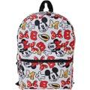 | MNAL | Minnie 16" Backpack with all over Print | 24 | 6 | $6.95 | China | 1,765 |  | 678634509819 | 50678634509814 | 17.3" x 13.3" x 11.5" | 14.21 | 1.53 | 8 | 8 | 12" x 5" x 16" | 12
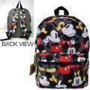 | KMAL | Mickey 16" Backpack with all over Print | 24 | 6 | $6.95 | China | 1,231 |  | 678634509826 | 50678634509821 | 17.3" x 13.3" x 11.5" | 14.46 | 1.53 | 8 | 8 | 12" x 6" x 16" | 12
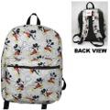 | EKAL | Mickey 16" Backpack with all over Print | 24 | 6 | $6.95 | China | 1,426 |  | 678634516022 | 50678634516027 | 18" x 14" x 18" | 12 | 2.63 | 6 | 5 | 12" x 6" x 16" | 7
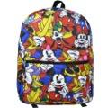 | MFRBA | Mickey & Friends 16" All Over Print Backpack | 24 | 6 | $6.95 | China | 2,333 |  | 678634518644 | 50678634518649 | 18" x 14" x 15" | 19 | 2.19 | 8 | 6 | 12" x 5" x 16" | 12
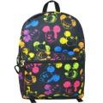 | NEMAB | Mickey Neon Heads All Over Print 16" Backpack | 24 | 6 | $6.95 | China | 2,283 |  | 678634518651 | 50678634518656 | 18" x 14" x 15" | 19 | 2.19 | 8 | 6 | 12" x 5" x 16" | 12
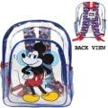 | CLMK | (No California) Mickey Transparent 16" Backpack | 24 | 6 | $7.25 | China | 1,575 |  | 678634517265 | 50678634517260 | 18" x 14" x 19" | 17 | 2.77 | 8 | 5 | 12" x 5" x 16" | 10
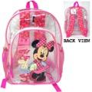 | NMCL | (No California) Minnie Transparent 16" Backpack | 24 | 6 | $7.25 | China | 908 |  | 678634517272 | 50678634517277 | 18" x 14" x 19" | 17 | 2.77 | 8 | 5 | 12" x 5" x 16" | 10
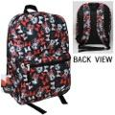 | MALI | Minnie 16" Backpack with All Over Print | 24 | 6 | $7.75 | China | 1,558 |  | 678634512765 | 50678634512760 | 18" x 14" x 14" | 20 | 2.04 | 8 | 5 | 12" x 6" x 169" | 12.9
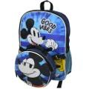 | KMLU | Mickey 16" Backpack with Lunch Bag | 24 | 6 | $7.95 | China | 1,848 |  | 678634517234 | 50678634517239 | 27" x 18" x 12" | 23 | 3.37 | 12 | 8 | 12" x 6" x 16" | 13
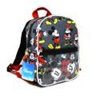 | SDBA | Mickey & Minnie 10" Mini Backpack with 2 Head Shaped zipper Clip Dangles in the Front PVC pocket. | 12 | 6 | $8.95 | China | 866 |  | 678634513793 | 50678634513798 | 12" x 9" x 11" | 5 | 0.68 | 17 | 8 | 8" x 5" x 10" | 5.1
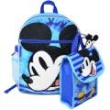 | NOWF | Mickey 16" Backpack 5pc Set with Lunch Kit, Bottle, Keychain & Carabiner | 24 | 6 | $8.95 | China | 1,390 |  | 678634515346 | 50678634515341 | 28" x 18" x 16" | 28 | 4.66 | 3 | 6 | 12" x 6" x 16" | 17
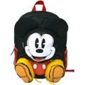 | BODM | Mickey Front Body 16" Backpack with 3 Zipper Pockets | 24 | 6 | $8.95 | China | 1,118 |  | 678634517296 | 50678634517291 | 18" x 13" x 22" | 20 | 2.98 | 8 | 7 | 12" x 6" x 16" | 11
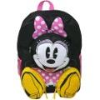 | NBOD | Minnie Front Body 16" Backpack with 3 Zipper Pockets | 24 | 6 | $8.95 | China | 743 |  | 678634517302 | 50678634517307 | 18" x 13" x 22" | 21 | 2.98 | 8 | 7 | 12" x 6" x 16" | 11
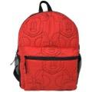 | QUMI | Minnie Quilted Embroidered 16" Backpack | 24 | 6 | $8.95 | China | 1,489 |  | 678634517753 | 50678634517758 | 17" x 14" x 19" | 17 | 2.6 | 9 | 5 | 12" x 5" x 16" | 10
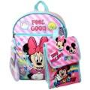 | MOME | Minnie 16" Backpack 5pc Set with Lunch Kit, Bottle, Keychain & Carabiner | 12 |  | $9.90 | China | 1,061 |  | 678634515339 | 50678634515334 | 18" x 15" x 17" | 14 | 2.66 | 6 | 5 | 12" x 6" x 16" | 13
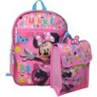 | MFOBA | Minnie 16" Backpack 4pc Set with Lunch Kit, Key Chain & Carabiner | 24 | 6 | $9.95 | China | 868 |  | 678634517142 | 50678634517147 | 18" x 14" x 16" | 21 | 2.33 | 8 | 6 | 12" x 6" x 16" | 15
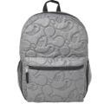 | KMQU | Mickey Quilted Embroidered 16" Backpack | 24 | 6 | $9.95 | China | 1,014 |  | 678634517746 | 50678634517741 | 17" x 14" x 19" | 17 | 2.6 | 9 | 5 | 12" x 5" x 16" | 10
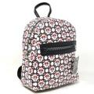 | MCCM122BT | Minnie All Over Print 10" Deluxe Mini Backpack | 12 |  | $10.95 | China | 3,859 |  | 840716272724 | 50840716272729 | 21" x 12" x 12" | 8 | 1.75 | 8 | 8 | 9.5" x 4" x 10" | 9
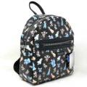 | DNCM06BT | Disney's 100th 10" Deluxe Mini Backpack | 12 |  | $10.95 | China | 2,646 |  | 840716272687 | 50840716272682 | 21" x 12" x 12" | 8 | 1.73 | 8 | 8 | 9.5" x 4" x 10" | 9
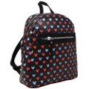 | MECM32 | Mickey All Over print 10" Mini Deluxe Backpack with 1 Front pocket | 12 | 6 | $13.95 | China | 632 |  | 678634517036 | 50678634517031 | 14" x 13" x 16" | 10 | 1.68 | 12 | 6 | 10" x 4" x 10" | 9.9
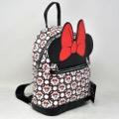 | MCCMA1BT | Minnie 10" Deluxe Mini Backpack with Ears | 12 |  | $13.95 | China | 1,549 |  | 840716272731 | 50840716272736 | 20" x 12" x 12" | 9 | 1.67 | 8 | 8 | 8" x 4.5" x 10" | 10
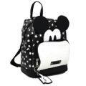 | MIDE | Mickey 10" Mini Deluxe Backpack with 1 Front pocket | 12 | 6 | $16.95 | China | 1,049 |  | 678634513809 | 50678634513804 | 22" x 14" x 10" | 11 | 1.78 | 9 | 7 | 9" x 5" x 10" | 13.4
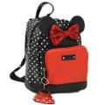 | NMDE | Minnie 10" Mini Deluxe Backpack with 1 Front pocket | 12 | 6 | $16.95 | China | 707 |  | 678634513816 | 50678634513811 | 22" x 14" x 10" | 11 | 1.78 | 9 | 7 | 9" x 5" x 10" | 13
 | MCCME | Minnie 10" Mini Deluxe "Eyes" Backpack with 1 Front pocket | 12 | 6 | $16.95 | China | 589 |  | 678634516954 | 50678634516959 | 13" x 13" x 14" | 9 | 1.37 | 9 | 7 | 9" x 5" x 10" | 10
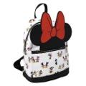 | RBMID | Minnie "Patent Bow" 10" Mini Deluxe Backpack with 1 Front pocket | 12 | 6 | $16.95 | China | 352 |  | 678634517012 | 50678634517017 | 12" x 12" x 8" | 8 | 0.72 | 12 | 12 | 9" x 5" x 10" | 10
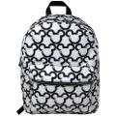 | GMKO | Mickey 16" Deluxe Backpack | 12 | 6 | $19.75 | China | 793 |  | 678634517647 | 50678634517642 | 17" x 17" x 16" | 15 | 2.67 | 6 | 6 | 12" x 6" x 16" | 18
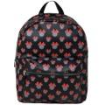 | ONMT | Minnie 16" Deluxe Backpack | 12 | 6 | $19.75 | China | 684 |  | 678634517654 | 50678634517659 | 17" x 17" x 16" | 16 | 2.67 | 6 | 6 | 12" x 6" x 16" | 18
 |  |  |  |  |  |  | 63,192

