WP & CS
Item Description | Case Pack | Units Available | Price | Extended Price | Image
Sprout Out Shampoo 1.25 Oz. | 200 | 8,400 | $0.15 | $1,260.00 | 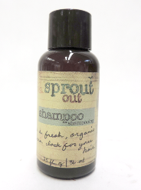
Sprout Out Shower Gel 1.25 Oz. | 200 | 36,200 | $0.15 | $5,430.00 | 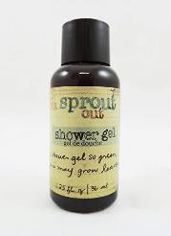
Sprout Out Conditioner 1.25 Oz. | 200 | 16,000 | $0.15 | $2,400.00 | 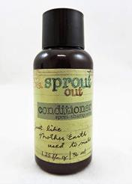
Sprout Out Cleansing Bar 0.6 Oz. | 500 | 36,000 | $0.15 | $5,400.00 | 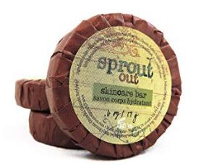
Sprout Out Cleansing Bar 1 Oz. | 200 | 51,000 | $0.15 | $7,650.00 | 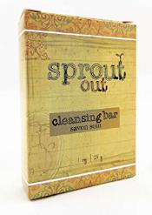
Sprout Out Conditioner 1 Gallon | 1 | 30 | $3.00 | $90.00 | 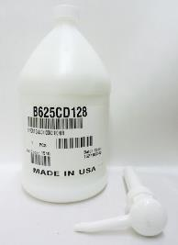
Sprout Out Shower Gel 1 Gallon | 1 | 27 | $3.00 | $81.00 | 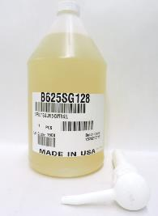
 |  | 147657 |  | $22,311.00

